1
Reebok Socks 2025

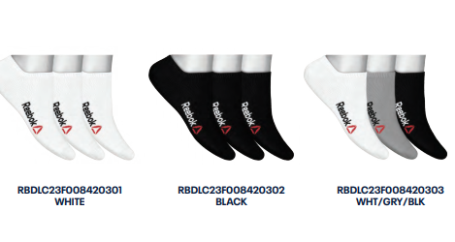
Style-No. | Model | color | RRP € | Quantity | 34/36 | 37/39 | 40/42 | 43/45 | 46/48

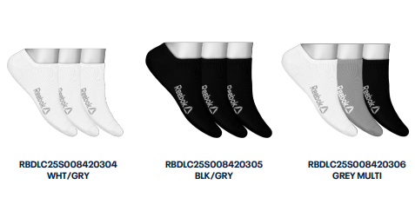
D-0842 | sneaker socks | wht-blkr | 9.00 | 816 |  | 206 | 336 | 274
 |  | blk-blkr |  | 816 |  | 206 | 336 | 274

 |  | wht/gry |  | 2348 |  | 588 | 970 | 790
 |  | blk/gry |  | 2348 |  | 588 | 970 | 790
 |  |  |  | 6328

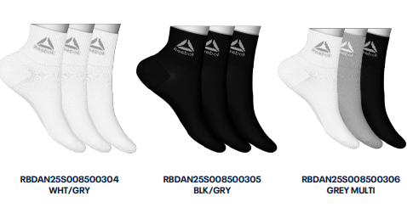
D-0850 | ankle socks | wht/gry | 10.00 | 2304 |  | 396 | 1134 | 774
 |  | blk/gry |  | 2304 |  | 396 | 1134 | 774

 |  |  |  | 4608

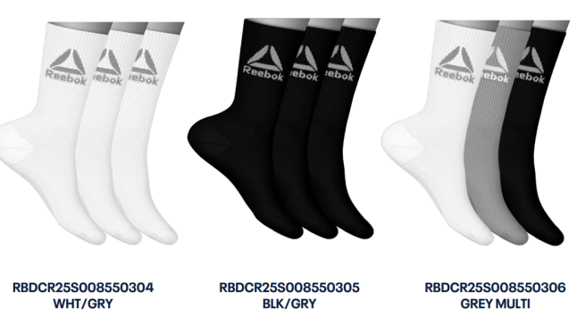
D-0855 | sport socks | wht/gry | 10.00 | 2315 |  | 427 | 1042 | 846
 |  | blk/gry |  | 2315 |  | 427 | 1042 | 846

 |  |  |  | 4630

Total socks: |  |  |  | 15566
36 units/box

